Layout
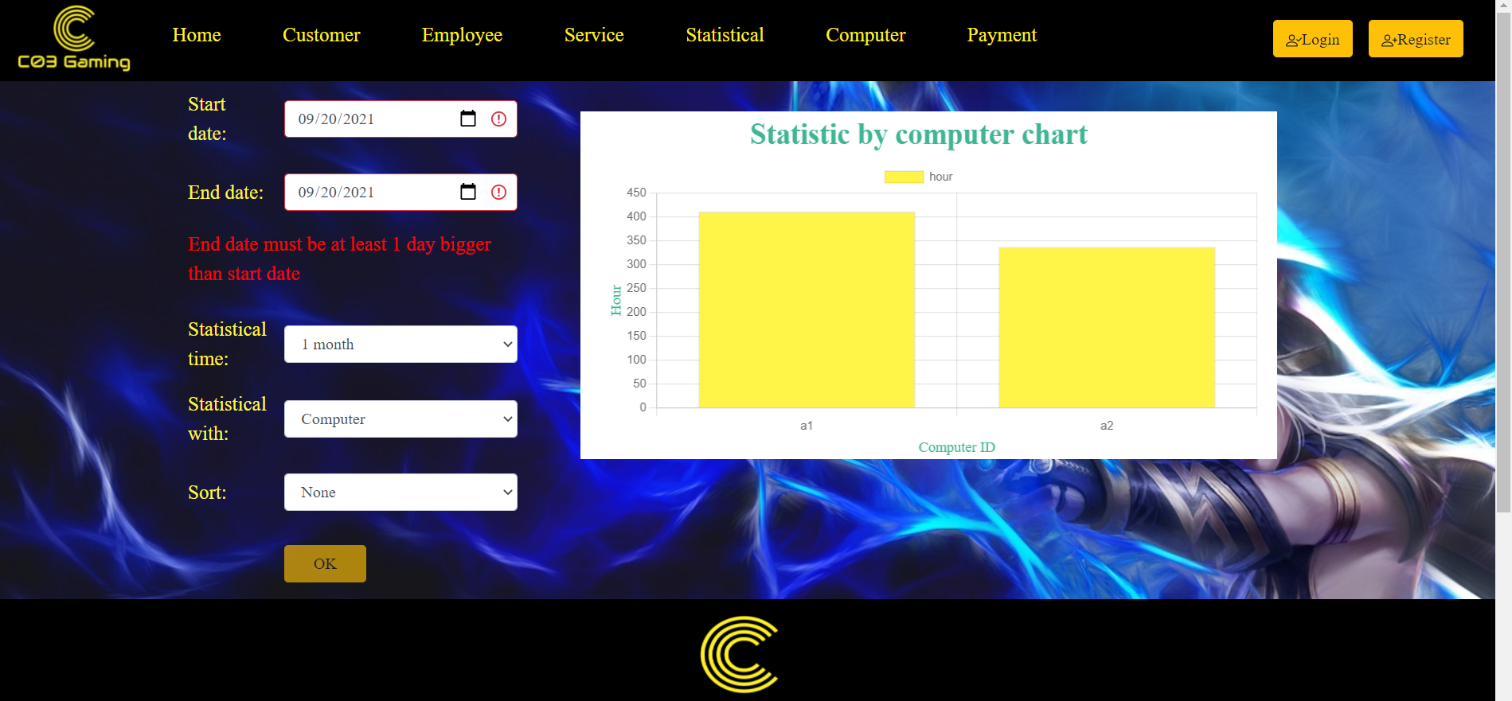
6.9 Màn hình thống kê

